Sheet2
2019-04-02
Skylands terrace landscape area light fixtures selection list
Sr.No. | Fixture Type | Brand / Description | Location | Requirement Image (Reference) | Qty. | MRP | Disc% | Net Price | Quoted Brand Specification | Your company Image | Delivery Schedule
 |  |  |  |  |  |  |  |  |  |  | 10.06.2019
1 | Shrub up-lighter with Spike | Hellonix or equivalent Spike light -5W with Spike beam angle 40 degree HSSP-5W 3000K IP65 Black body colour With Spike | Planters Softscape |  | 121 |  |  | - |  |  | 121
2 | Bracket light | Philips 17394 Petrnia Anthracite LED wall light IP44 with 12 watt bulb 1200lm Warm white | On 4' ht wall surface and Staircase wall as per plan |  | 90 |  |  | - |  |  | 90
3 | Bracket up-down light | Rainbow light + V-tac 2 X 7 Watt led bulb Graphite Grey colour powder coated body & warm white light (3000K) colour - IP65 | On 4' ht wall surface as per plan | Graphite Grey Body colour | 18 |  |  | - |  |  | 18
4 | Bracket down light | Rainbow light + V-tac 9 Watt led bulb Graphite Grey colour powder coated body & warm white (3000K) light colour - IP65 | Pergola SHS as per plan | 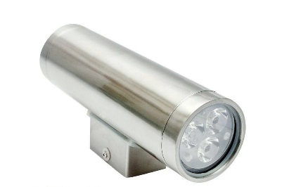 Graphite Grey Body colour | 56 |  |  | - |  |  | 56
5 | Foot light | HYBEC Model No.: HLO-6017 watt-2.2w 3000K | Below benches and on parapet walls as per plan | 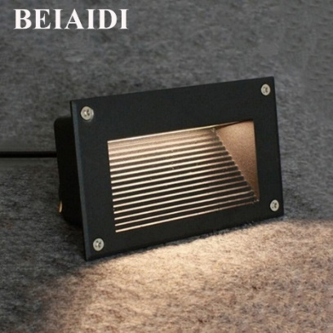 | 46 |  |  | - |  |  | 46
6 | Ceiling mounted profile light | ASL Ceilling mounted light IP65 Warm white (3000K) 12watt Beam angle 60 | On typical wall between Barbeque, Lawn turf deck and service areas |  | 87 |  |  | - |  |  | 87
7 | Flood Light | Philips 30W Smart Bright LED Flood light (warm white light) IP 65- Grey Body color OR equalant fixture in any standard brand | 100mm Below beam bottom as shown in location |  | 2 |  |  |  |  |  | 2
 |  | Total Amount |  |  |  |  |  | -

